InfoPage
EPICUR CALL FOR COURSE PROPOSALS
To include course or learning experience in the EPICUR Course Catalogue, please submit to your Institutional Coordinator. We look forward to your proposal!

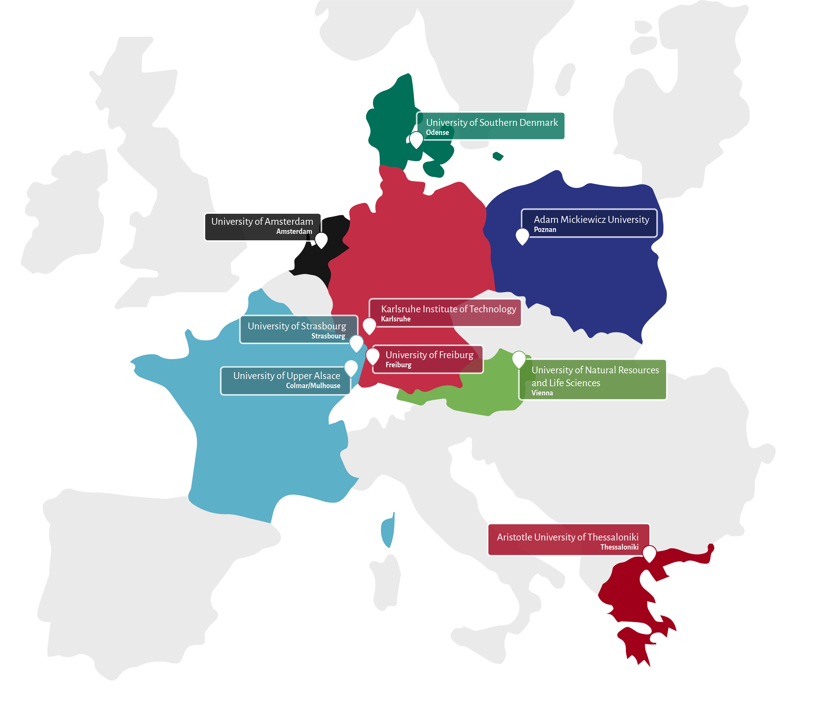
What is EPICUR? | In case of any questions please contact us by email at
EPICUR (European Partnership for an Innovative Campus Unifying Regions) belongs to the first generation of European university alliances launched by the European Commission under the Erasmus+ programme. The objective of the EPICUR alliance is to create a unique environment of interdisciplinary education and research and to prepare tomorrow's European citizens to face societal challenges and become drivers of European innovation. The alliance is composed of the 9 higher education institutions across Europe (see picture on the right-hand side) and is led by the University of Strasbourg. |  | epicur@ucf.uni-freiburg.de

What are we looking for?
We invite instructors at the EPICUR partner institutions to propose courses (and non-credit offers) that fit one of the EPICUR priority areas: Sustainable Transformation, European Values, Global Health, Future Intelligence, Entrepreneurship and Engagement, or Transversal Skills (e.g., academic skills, interculturality, critical thinking, Equity, Diversity and Inclusion). We are interested in offers that are accessible to students from across the alliance without the requirement to go abroad for a whole semester. For more specific guidelines, please see below.

What is in it for you?
By offering your learning activity in the framework of EPICUR, you will get the chance to - promote distinctive aspects in your course offer, - offer elective courses in your specialist area and engage with motivated students on the topic, - engage with internationalisation at your university, - gain teaching experience (especially if you are an early career university teacher), - increase the diversity in your classroom, - create an intercultural learning space, - become part of an international community of academics, - get access to EPICUR’s teacher support.

Students register for courses and offers designed like these:
To facilitate broad EPICUR participation without the requirement of study abroad for a whole semester, EPICUR is looking for offers that meet the following parameters: Virtual deliveries – fully online deliveries, especially offer proposals that transcend traditional synchronous delivery and incorporate asynchronous work (e.g., self-study and virtual teamwork). Hybrid deliveries – synchronous teaching of online and on-site groups. Blended deliveries – combining virtual and physical class learning. Block courses & summer/winter schools – taught on a compressed schedule that differs from a traditional semester schedule. If offer is longer than 3 weeks, in-person delivery will generally not be possible Excursions – experiential offers where students are assessed based on on-site, collaborative work. Flexible offers –...that accommodate various semester schedules by, for example, combining asynchronous learning activities with intensive synchronous sessions Short, intensive courses – courses that can be delivered within a short time window (to facilitate wider participation) and which may award fewer ECTS credits (e.g., under 5)

The EPICUR Hubs for Early Career Researchers
For EPICUR Hubs (launch event on April 8), we are also looking specifically for courses, workshops and summer/winter schools focusing on the priority areas of Sustainable Transformation and Transversal Skills (e.g., project management, digital skills, science communication, resilience, adaptability, innovation and entrepreneurship, with an additional focus on Research Skills, such as scientific writing , publishing, responsible research conduct, grant writing, and Citizen Science). The main target groups for the Hubs are Early Career Researchers (doctoral candidates, postdocs, up to junior professors) and master's students considering a career in research. The Hubs pilot will run from April 2025 to March 2026, so ideally course offerings would fall into this time frame!

EPICUR'S PRIORITY AREAS

Sustainable Transformation | Related Diciplines and Topics
Sustainable Transformation denotes the endeavour of creating and ensuring a viable future by anticipating the need for and realising profound shifts in economic, social and environmental systems. This involves transitioning to more sustainable living and business practices that account for the planet’s finite resources and seek to minimise environmental impact while ensuring social equity, economic development and stability. | Environmental Science, Sustainability Studies, Ecology, Environmental Policy, Urban Planning, Renewable Energy, Sustainable Agriculture, Economics, Social Sciences, Engineering & Technology, Circular Economy, Climate Change Mitigation, Sustainable Tourism, Resilience & Disaster Reduction, Water Resource Management, Corporate Social Responsibility (and others)

European Values | Related Diciplines and Topics
European Values refers to ideals, beliefs, and norms that are considered to be fundamental to European societies and their cultural, social and political development. While there is no definitive list of European values, some commonly recognised values include Human rights, Democracy, Diversity and Tolerance, and Solidarity. | Political Science, European Studies, Law, Philosophy, History, Sociology, Cultural Studies, Economics, Ethics, Rule of Law, Human Rights & Dignity, Gender Equality & Women's Rights, Freedom of Expression, Governance, Historical Memory & Reconciliation (and others)

Global Health | Related Diciplines and Topics
Global Health refers to the science and practice of addressing health challenges, protecting and improving well-being, and achieving equity in health outcomes on a global scale through the promotion of healthy behaviours, the prevention and control of diseases and injuries, and the assurance of access to high-quality healthcare products and services. | Disease Prevention and Control, Access to Healthcare Services, Health Equity and Social Determinants of Health, Pandemic Preparedness and Response, Maternal Health & Childcare, Health systems, Health Security and Emergency, Health Diplomacy (and others)

Future Intelligence | Related Diciplines and Topics
Future Intelligence explores how to create intelligent systems and technologies with abilities that include and go beyond today’s AI systems. A main focus is the creation and evolution of intelligent systems and technologies that remain human-centred and serve the needs of society. | Artificial Intelligence and Machine Learning, Data Science and Analytics, Internet of Things (IoT) and Smart Technologies, Robotics and Automation, Quantum Computing and Advanced Technologies (and others)

Transversal Skills | Related Diciplines and Topics
Transversal skills, also known as transferable skills or soft skills, are competencies that are valuable across different professions, industries, and contexts, and can be applied and transferred to various situations and environments. This includes digital competencies, critical thinking, problem-solving, communication, collaboration, leadership, cultural competence, and entrepreneurship, among others. | Entrepreneurship and Engagement: Service Learning, Startup Incubation and Acceleration, Social Entrepreneurship and Impact Investing, Societal engangement, Leadership and Management. Key Academic Competences: Academic skills, interculturality, Critical Thinking and Problem-Solving, Equity, Diversity and Inclusion, Digital Literacy and Information Management. Language Training for Mobility: Danish, Dutch, French, German, Modern Greek, Polish, Other language training options

